Spin Button Ex -1
5 |  |  | Question | With the given Data, create a form at the top that with the spin button names should be changed.
 | Name

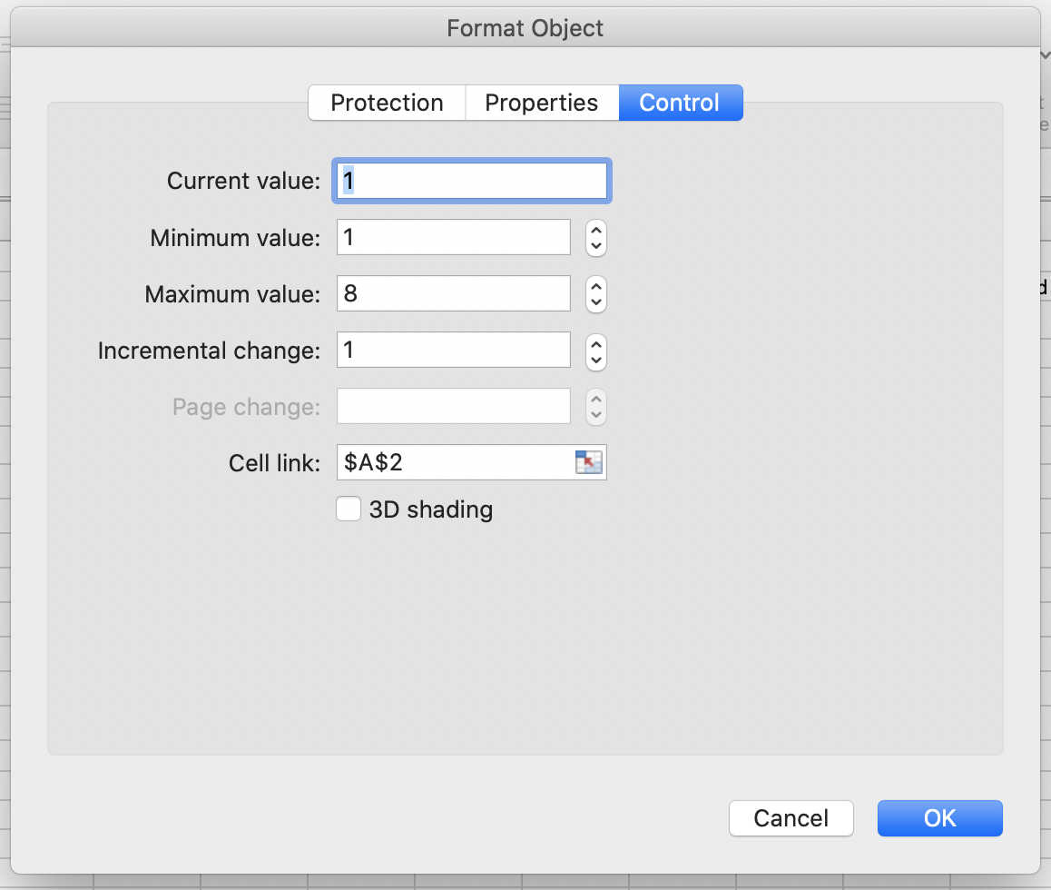

 | Roll No. | Names
 | 1 | Geeta
 | 2 | Kapil
 | 3 | Honey
 | 4 | Mitali
 | 5 | Sonu
 | 6 | Kahlu
 | 7 | Jyoti
 | 8 | Sandhya

Check Box Ex - 1
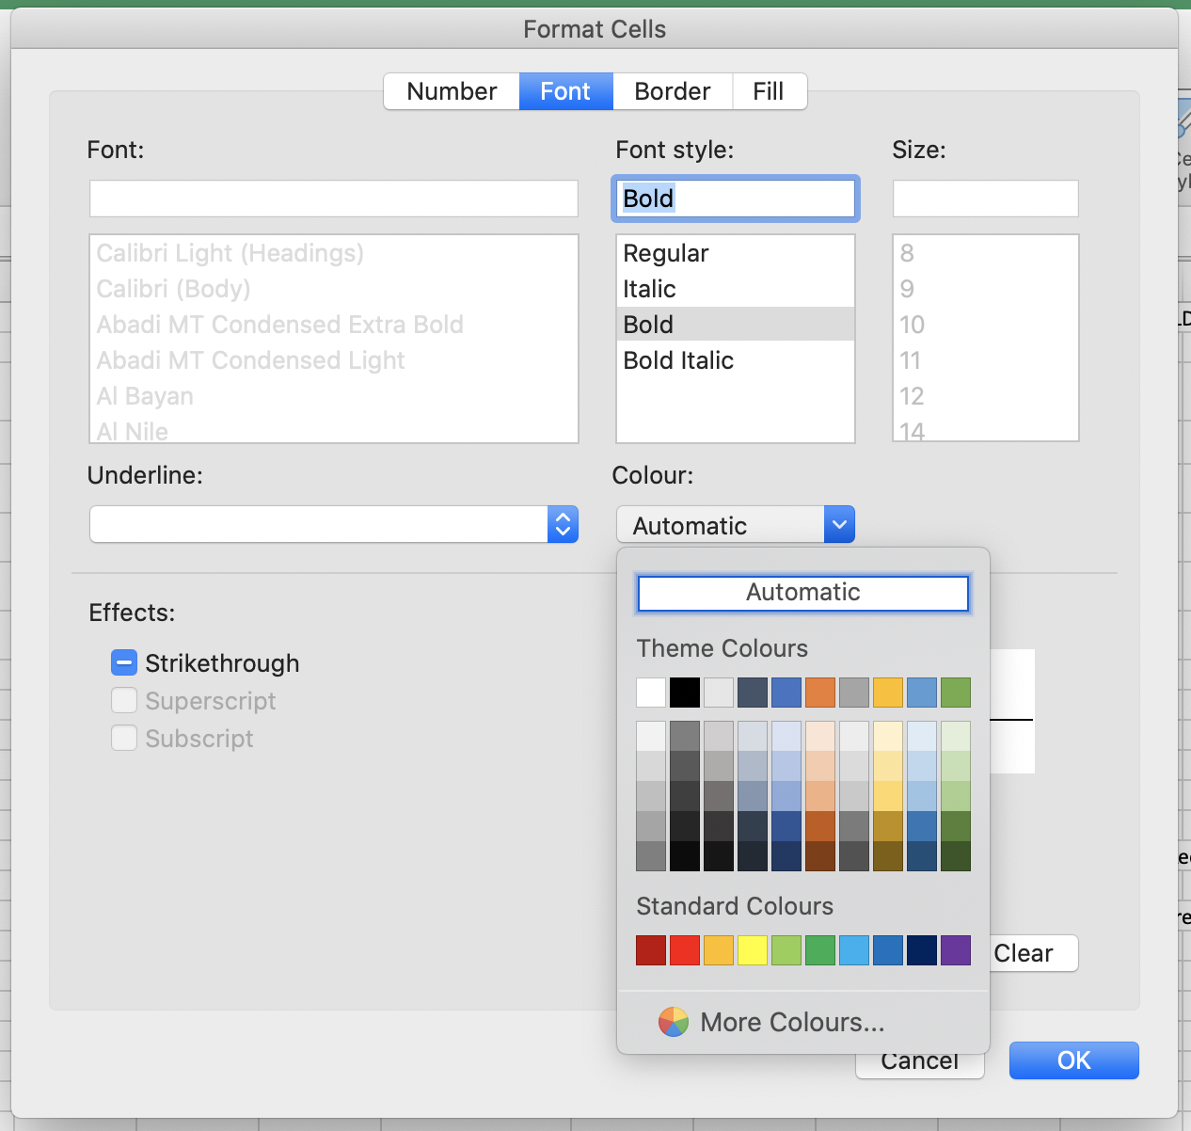
 |  | Implement a check box before each fruit and once the check box is selected, the Name of the fruit should be BOLD and change the color as well.

Fruits |  |  | Fruits
 | Apple |  |  | Apple
 | Orange |  |  | Orange
 | Banana |  |  | Banana
 | Papaya |  |  | Papaya
 | Strawberry |  |  | Strawberry

Check Box Ex - 2
Sales Ach. Against Target |  |  |  |  | Question 1 | We are given with Sales Data of a firm of every Quarter. The figures are ach. Against Target of Actual Sales. |  |  |  |  |  | Question
 | Q1 | Q2 | Q3 | Q4 |  | Management wants to review and do a comparative analysis of each quarter for last 3 years.
2018 | 61% | 97% | 43% | 82% |  | Can you please create a combo chart showing sales of current year in bar chart and last 2 years on a line chart. Within a chart there should be an option to select or deselct particular year (last 2 only)
2019 | 99% | 66% | 16% | 13%
2020 | 86% | 79% | 87% | 73%

2018 | TRUE
2019 | TRUE

 | Q1 | Q2 | Q3 | Q4
2018 | 61% | 97% | 43% | 82%
2019 | 99% | 66% | 16% | 13%
2020 | 86% | 79% | 87% | 73%

 |  |  |  |  |  | Step 1 | Befor we go ahead in the problem there is one function that we will use in this example. NA()
 |  |  |  |  |  | Step 2 | NA() function return NA(), wherever we want. The syntax is '=NA(). It has no argument.
 |  |  |  |  |  | Step 3 | Create a template just like given in question below |  |  |  |  |  |  | Q1 | Q2 | Q3 | Q4
 |  |  |  |  |  | Step 4 | Now lets create 2 Check boxes from Developer Tab. |  |  |  |  |  | 2018
 |  |  |  |  |  | Step 5 | Name the Check boxes as 2018 & 2019 |  |  |  |  |  | 2019
 |  |  |  |  |  | Step 6 | Select 2 cells outside our template, in this case we K46 & K47. |  |  |  |  |  | 2020
 |  |  |  |  |  | Step 7 | Right click on the check box 1, 2018, and give ref of 2018 & 2019 in individual check boxes respectively.
 |  |  |  |  |  | Step 8 | Now if check or uncheck the boxes, we will see change in cell value to True or False.
 |  |  |  |  |  | Step 9 | Now in the Table format that we created, fill values with vlookup on the condition that IF 2018 cell value is True than we take Data from our original Data source, by vlookup on year, else populate with NA
 |  |  |  |  |  | Step 10 | We are giving NA because excel charts do not populate NA, wherein if wont give NA, than 0 will be populated that will still be populated in the graph even if we unchecked the year.
 |  |  |  |  |  | Step 11 | The sample formula goes like - IF($K$46,VLOOKUP($J$42,$B$3:$F$3,2,0),NA())
 |  |  |  |  |  | Step 12 | Please nothe the values we have given Absolute ref. to
 |  |  |  |  |  | Step 13 | Populate similarly for 2019
 |  |  |  |  |  | Step 14 | For 2020 we can simply copy the values

 |  |  |  |  |  |  |  | Q1 | Q2 | Q3 | Q4
 |  |  |  |  |  |  | 2018 | 61% | 97% | 61% | 82%
 |  |  |  |  |  |  | 2019 | 99% | 66% | 16% | 13%
 |  |  |  |  |  |  | 2020 | 86% | 79% | 87% | 73%

 |  |  |  |  |  |  | 2018 | TRUE
 |  |  |  |  |  |  | 2019 | TRUE

 |  |  |  |  |  | Step 15 | Now Select a Combo chart from Insert Tab and create a chart on the Template Data.

 |  |  |  |  |  | Step 16 | if any year data is converted to bar chart, Right click on that years' bar and selct Change chart type, Select to Line with Marker and click on OK
 |  |  |  |  |  | Step 17 | Now bring both Check Boxes to Chart and Format.

Sheet1
 |  |  |  |  | TRUE |  |  | 3
 |  |  |  |  |  | Apple
S No | State | Area in Sq Km | Population | Fruit | % Consumption |  |  | State | Population
1 | Andhra Pradesh | 275,045 | 76,210,007 | Apple | 82.94% | Overall population | 134963084 | Chhattisgarh | 20833803
2 | Arunachal Pradesh | 83,743 | 1,097,968 | Pineapple | 29.57% | Average Population | 33740771 | Gujarat | 50671017
3 | Assam | 78,438 | 26,655,528 | Kiwi | 2.68% | Average Area in Square km | 33740771 | Karnataka | 52850562
4 | Bihar | 94,163 | 82,998,509 | Orange | 76.57% | Total Area in Square km | 504772 | Jharkhand | 26945829
5 | Chhattisgarh | 135,191 | 20,833,803 | Apple | 14.26% | Avarage of Consumption | 0.56690269286
6 | Goa | 3,702 | 1,347,668 | Pineapple | 4.77%
Overall population |  |  | 134963084
Average Population |  |  | 33740771
Average Area in Square km |  |  | 33740771
Total Area in Square km |  |  | 504772
7 | Gujarat | 196,024 | 50,671,017 | Kiwi | 4.68%
8 | Haryana | 44,212 | 21,144,564 | Orange | 90.16%
9 | Himachal Pradesh | 55,673 | 6,077,900 | Apple | 94.78%
10 | Jammu & Kashmir | 222,236 | 10,143,700 | Pineapple | 76.99%
11 | Jharkhand | 79,714 | 26,945,829 | Kiwi | 35.17%
12 | Karnataka | 191,791 | 52,850,562 | Orange | 50.67%
13 | Kerala | 38,863 | 31,841,374 | Apple | 34.78%

